Sheet1
model ID | API | accuracy | f1_weighted | f1_entailment | f1_contradiction | f1_neutral | duration_seconds | quantization | try | prompting | model download time | Notes
meta-llama/Meta-Llama-3-8B-Instruct | LOCAL | 0.4868483979 | 0.46120401297 | 0.56771799629 | 0.032653061224 | 0.4514317799 | 4481 | no | 1 | naive zero-shot | 8 mins | ~4500 seconds ~=1h 15mins for 2091 NDA contracts. (2.15seconds per NDA), placed in one gpu
meta-llama/Meta-Llama-3-8B-Instruct | LOCAL | 0.48828311813 | 0.46134622236 | 0.5639374425 | 0.025210084034 | 0.45762711864 | 4500 | no | 2 | naive zero-shot
meta-llama/Meta-Llama-3-8B-Instruct | LOCAL | 0.4968914395 | 0.46914623894 | 0.57575757576 | 0.016597510373 | 0.46511627907 | 4539 | no | 3 | naive zero-shot
Average Metrics: |  | 0.49067431851 | 0.46389882476 | 0.56913767152 | 0.024820218544 | 0.45805839254 | 4506.6666667
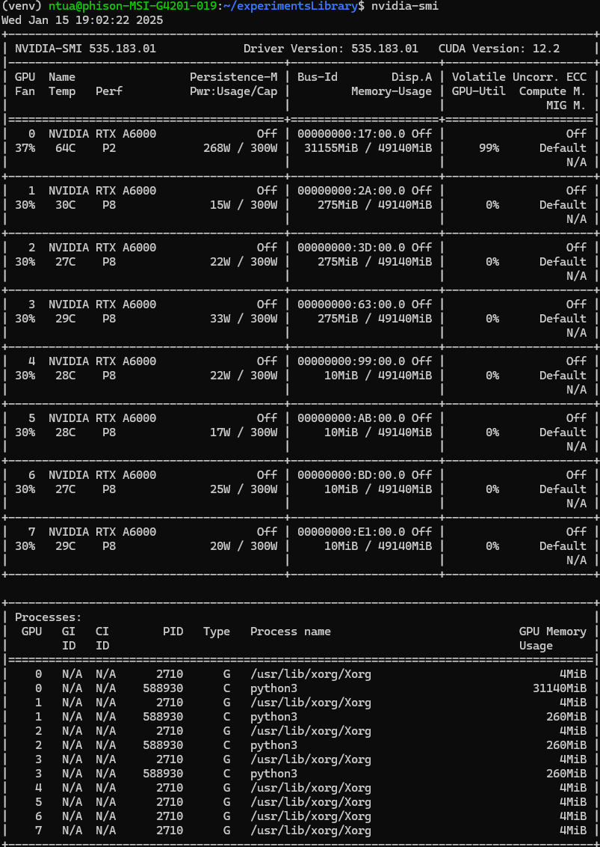
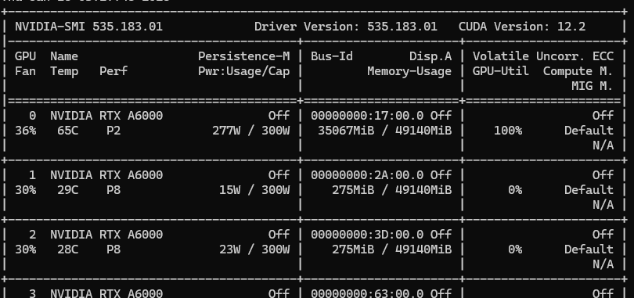
mistralai/Mistral-7B-Instruct-v0.2 | LOCAL | 0.53014354067 | 0.48043174478 | 0.45512367491 | 0.026086956522 | 0.61775147929 | 10649 | no | 1 | naive zero-shot
mistralai/Mistral-7B-Instruct-v0.2 | LOCAL | 0.53397129187 | 0.48426939079 | 0.46272855134 | 0.017543859649 | 0.62055335968 | 10858 | no | 2 | naive zero-shot |  | 66C temperature, not all gpus used efficiently, 6 seconds per NDA
mistralai/Mistral-7B-Instruct-v0.2 | LOCAL | 0.53275944524 | 0.48387791086 | 0.45903954802 | 0.034188034188 | 0.62006319115 | 10636 | no | 3 | naive zero-shot |  | Χωράει στη μία GPU , έτρεξε στη μία gpu, θα μπορούσε να υλοποιηθεί data parallelism
Average Metrics: |  | 0.53229142593 | 0.48285968215 | 0.45896392476 | 0.025939616786 | 0.61945601004 | 10714.333333

gpt-4o | OPENAI | 0.61119081779 | 0.63673898436 | 0.74972436604 | 0.4118852459 | 0.57040229885 | 1824 | - | 1 | naive zero-shot |  | 1.3 seconds per NDA
gpt-4o | OPENAI | 0.61119081779 | 0.63559504704 | 0.75 | 0.41513292434 | 0.56666666667 | 1819 | - | 2 | naive zero-shot
gpt-4o | OPENAI | 0.61406025825 | 0.63756946902 | 0.74739726027 | 0.42159916926 | 0.57245337159 | 2351 | - | 3 | naive zero-shot
Average Metrics: |  | 0.61214729794 | 0.63663450014 | 0.74904054211 | 0.41620577983 | 0.56984077904 | 1998

gpt-4o | OPENAI | 0.62745098039 | 0.6264866848 | 0.59565807327 | 0.44155844156 | 0.70458891013 | 2084 | - | 1 | optimized zero-shot
gpt-4o | OPENAI | 0.61645145863 | 0.61685785386 | 0.59164420485 | 0.44551282051 | 0.6856316297 | 2049 | - | 2 | optimized zero-shot
gpt-4o | OPENAI | 0.62266857963 | 0.62399131238 | 0.5972972973 | 0.43642072214 | 0.69830508475 | 4235 | - | 3 | optimized zero-shot
Average Metrics: |  | 0.62219033955 | 0.62244528368 | 0.59486652514 | 0.44116399474 | 0.69617520819 | 2789.3333333

Equall/Saul-7B-Instruct-v1 | LOCAL | 0.42228598757 | 0.29333079433 | 0.056974459725 | 0.090909090909 | 0.5960170697 | 6363 | no | 1 | naive zero-shot |  | 15 mins to load
Equall/Saul-7B-Instruct-v1 | LOCAL | 0.42180774749 | 0.29597164565 | 0.076023391813 | 0.05421686747 | 0.59065155807 | 5562 | no | 2 | naive zero-shot
Equall/Saul-7B-Instruct-v1 | LOCAL | 0.41463414634 | 0.28087458874 | 0.043650793651 | 0.058823529412 | 0.58927311221 | 5547 | no | 3 | naive zero-shot
Average Metrics: |  | 0.41957596047 | 0.29005900957 | 0.05888288173 | 0.067983162597 | 0.59198057999 | 5824

mistralai/Mixtral-8x7B-Instruct-v0.1 | LOCAL | 0.56076555024 | 0.56588156582 | 0.65476797552 | 0.40869565217 | 0.5088293002 | 11136 | normal | 1 | naive zero-shot |  | 5 seconds per NDA
mistralai/Mixtral-8x7B-Instruct-v0.1 | LOCAL | 0.56049736968 | 0.56516357936 | 0.65513733469 | 0.40988372093 | 0.50654450262 | 10970 | normal | 2 | naive zero-shot
mistralai/Mixtral-8x7B-Instruct-v0.1 | LOCAL | 0.56124401914 | 0.56606722839 | 0.65445292621 | 0.41048034934 | 0.50916230366 | 11158 | normal | 3 | naive zero-shot
Average Metrics: |  | 0.56083564635 | 0.56570412452 | 0.65478607881 | 0.40968657415 | 0.50817870216 | 11088

gpt-4o | OPENAI | 0.65231946437 | 0.66929450134 | 0.73146622735 | 0.45767195767 | 0.65420560748 | 3656 | - | 1 | naive few-shot
gpt-4o | OPENAI | 0.65901482544 | 0.6733227991 | 0.72974442632 | 0.46241134752 | 0.66422466422 | 3741 | - | 2 | naive few-shot
gpt-4o | OPENAI | 0.68053562889 | 0.69414038355 | 0.75027382256 | 0.5 | 0.68126520681 | 3592 | - | 3 | naive few-shot
Average Metrics: |  | 0.66395663957 | 0.678919228 | 0.73716149208 | 0.47336110173 | 0.6665651595 | 3663

meta-llama/Meta-Llama-3-8B-Instruct | LOCAL | 0.51506456241 | 0.4669696586 | 0.63314097279 | 0 | 0.40260586319 | 4983 | no | 1 | optimized zero-shot
meta-llama/Meta-Llama-3-8B-Instruct | LOCAL | 0.52271640363 | 0.47376718901 | 0.63721881391 | 0 | 0.41397495056 | 4983 | no | 2 | optimized zero-shot
meta-llama/Meta-Llama-3-8B-Instruct | LOCAL | 0.52606408417 | 0.47851950504 | 0.63838550247 | 0 | 0.42372881356 | 5030 | no | 3 | optimized zero-shot
Average Metrics: |  | 0.52128168341 | 0.47308545088 | 0.63624842972 | 0 | 0.41343654244 | 4998.6666667

gpt-4o | OPENAI | 0.64131994261 | 0.6506857723 | 0.65555555556 | 0.45329249617 | 0.69355683604 | 2644 | - | 1 | naive few-shot isolated spans
gpt-4o | OPENAI | 0.6537541846 | 0.66272676152 | 0.67236119585 | 0.471875 | 0.69889647924 | 2574 | - | 2 | naive few-shot isolated spans
gpt-4o | OPENAI | 0.64945002391 | 0.65872622519 | 0.67117393977 | 0.465625 | 0.69242819843 | 2603 | - | 3 | naive few-shot isolated spans
Average Metrics: |  | 0.64817471704 | 0.65737958634 | 0.66636356372 | 0.46359749872 | 0.69496050457 | 2607

meta-llama/Meta-Llama-3-8B-Instruct | LOCAL | 0.53323768532 | 0.50129727847 | 0.61439114391 | 0.009009009009 | 0.5 | 6626 | no | 1 | naive few-shot isolated spans
meta-llama/Meta-Llama-3-8B-Instruct | LOCAL | 0.52321685017 | 0.49377169825 | 0.59765807963 | 0.017699115044 | 0.49862410567 | 7288 | no | 2 | naive few-shot isolated spans
meta-llama/Meta-Llama-3-8B-Instruct | LOCAL | 0.53326950694 | 0.5023669153 | 0.60893854749 | 0.0088888888889 | 0.50858725762 | 7023 | no | 3 | naive few-shot isolated spans
Average Metrics: |  | 0.52990801414 | 0.49914529734 | 0.60699592367 | 0.011865670981 | 0.50240378776 | 6979

 | for the local models the naive few-shot exceeded the maximum length of the model

Equall/SaulLM-54B-Instruct | LOCAL | 0.70205643233 | 0.6806032181 | 0.77255936675 | 0.18320610687 | 0.70320987654 | 121411 | lowest | 1 | naive zero-shot |  | 54 seconds per NDA
Equall/SaulLM-54B-Instruct | LOCAL | 0.70014347202 | 0.67639723601 | 0.77239199157 | 0.1593625498 | 0.69945892769 | 117182 | lowest | 2 | naive zero-shot
Equall/SaulLM-54B-Instruct | LOCAL | 0.70396939264 | 0.68069352396 | 0.77313590693 | 0.176 | 0.70455658991 | 118844 | lowest | 3 | naive zero-shot
Average Metrics: |  | 0.70205643233 | 0.67923132602 | 0.77269575508 | 0.17285621889 | 0.70240846471 | 119145.66667

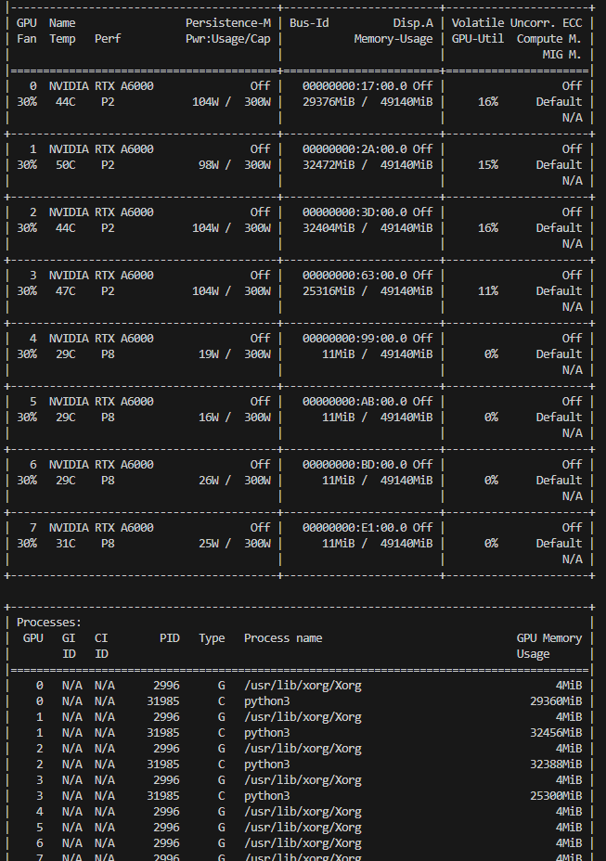
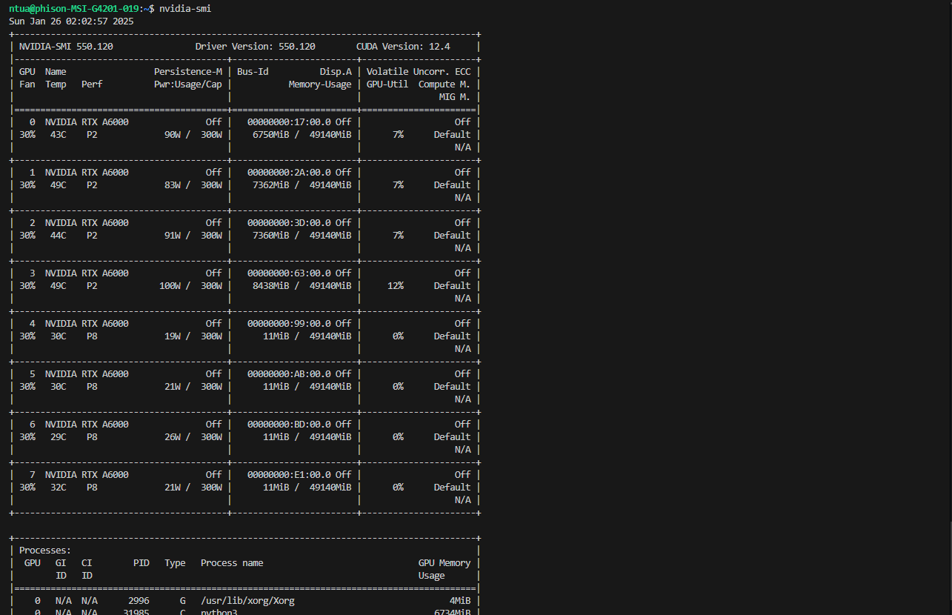
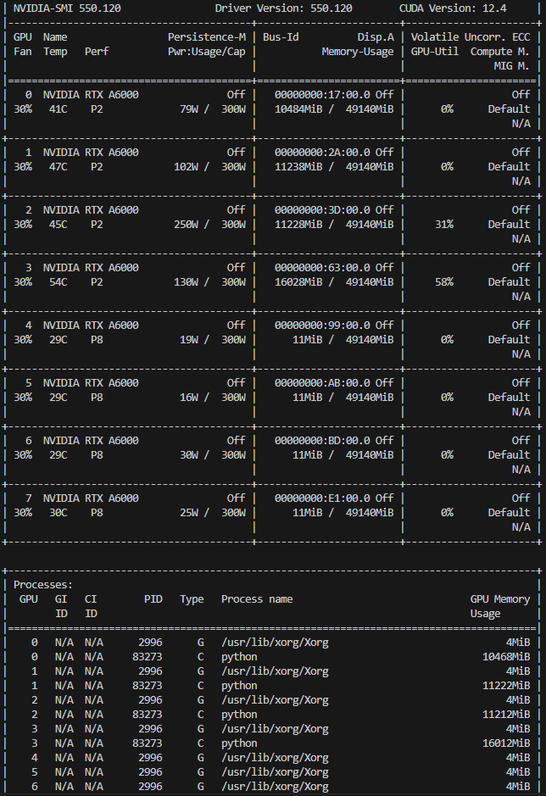
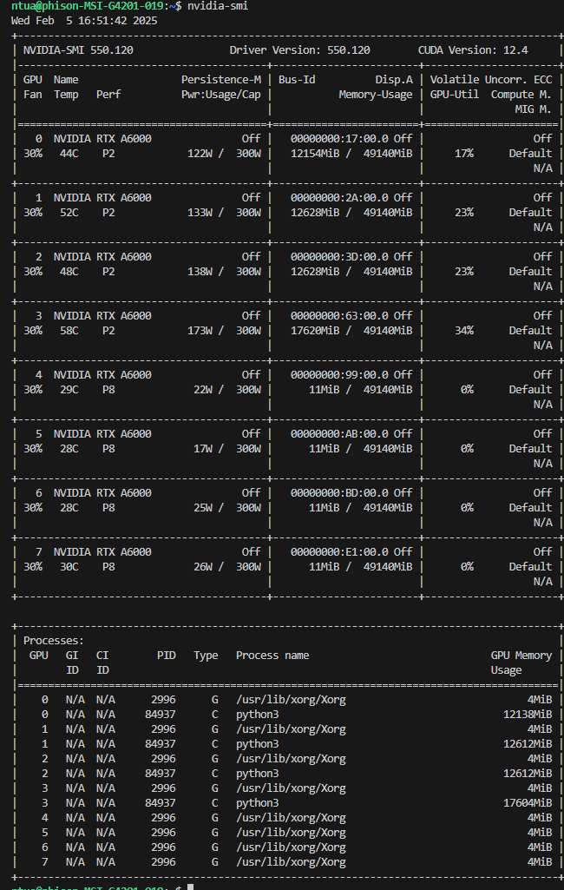
meta-llama/Meta-Llama-3-70B-Instruct | LOCAL | 0.62410329986 | 0.59896396931 | 0.73129251701 | 0.49717514124 | 0.48190916089 | 8037 | normal | 1 | naive zero-shot | this is for mixtral 8x7 |  | this is for saul54 lowest quantization
meta-llama/Meta-Llama-3-70B-Instruct | LOCAL | 0.62362505978 | 0.59871761256 | 0.7319982957 | 0.49429657795 | 0.48128342246 | 8017 | normal | 2 | naive zero-shot |  |  |  | for llama 70B normal quantization | deepseek distill normal quantization llama 70B | 40 sec/NDA
meta-llama/Meta-Llama-3-70B-Instruct | LOCAL | 0.62075561932 | 0.59531551386 | 0.72967220094 | 0.49429657795 | 0.47589900536 | 8015 | normal | 3 | naive zero-shot
Average Metrics: |  | 0.62282799299 | 0.59766569858 | 0.73098767121 | 0.49525609905 | 0.47969719624 | 8023

deepseek-ai/DeepSeek-R1-Distill-Llama-70B | LOCAL | 0.60536398467 | 0.60783982909 | 0.65519096288 | 0.4837398374 | 0.58739726027 | 126196 | normal | 1 | naive zero-shot
deepseek-ai/DeepSeek-R1-Distill-Llama-70B | LOCAL |  |  |  |  |  |  | normal | 2 | naive zero-shot
deepseek-ai/DeepSeek-R1-Distill-Llama-70B | LOCAL |  |  |  |  |  |  | normal | 3 | naive zero-shot

For the following, the predictions were not kept.
meta-llama/Meta-Llama-3-8B-Instruct | BEDROCK | 0.4776 | 0.4278 | 0.6029 | 0.0536 | 0.3314 | 4860 | no | 1 | naive-zero shot

mistralai/Mistral-7B-Instruct-v0.2 | BEDROCK | 0.527 | 0.4876 | 0.4863 | 0.0248 | 0.6018 | 5340 | no | 1 | naive-zero shot

mistralai/Mixtral-8x7B-Instruct-v0.1 | BEDROCK | 0.5872 | 0.5948 | 0.656 | 0.4427 | 0.5664 | 6840 | no | 1 | naive-zero shot

meta-llama/Meta-Llama-3-70B-Instruct | BEDROCK | 0.571 | 0.536 | 0.4493 | 0.3969 | 0.6628 | 5400 | no | 1 | naive-zero shot

gpt-4o | OPENAI | 0.69057867049 | 0.71076994081 | 0.79191698525 | 0.48655256724 | 0.67840834964 | 3389 | - | 1 | naive_zero_shot_in_document_rag_naive_chunking

anthropic.claude-3-opus-20240229-v1:0 | BEDROCK | 0.75466284075 | 0.76756804692 | 0.8339294839 | 0.50832072617 | 0.75959079284 | 11756 | - | 1 | naive zero-shot
anthropic.claude-3-opus-20240229-v1:0 | BEDROCK | 0.74605451937 | 0.75918311393 | 0.82786885246 | 0.4992481203 | 0.74888178914 | 9659 | - | 2 | naive zero-shot
anthropic.claude-3-opus-20240229-v1:0 | BEDROCK | 0.7474892396 | 0.76080420212 | 0.83188553909 | 0.49700598802 | 0.74887604367 | 9779 | - | 3 | naive zero-shot
Average Metrics: |  | 0.7494021999 | 0.76251845433 | 0.83122795848 | 0.50152494483 | 0.75244954188 | 10398

anthropic.claude-3-5-sonnet-20241022-v2:0 | BEDROCK | 0.7943567671 | 0.80023514619 | 0.87573964497 | 0.57886178862 | 0.77322936972 | 45061 | - | 1 | naive zero-shot
anthropic.claude-3-5-sonnet-20241022-v2:0 | BEDROCK | 0.7881396461 | 0.79490549772 | 0.87493821058 | 0.5608974359 | 0.7661237785 | 9345 | - | 2 | naive zero-shot
anthropic.claude-3-5-sonnet-20241022-v2:0 | BEDROCK | 0.79244380679 | 0.79806079497 | 0.87641555884 | 0.57698541329 | 0.76792698827 | 9035 | - | 3 | naive zero-shot
Average Metrics: |  | 0.79164674 | 0.79773381296 | 0.8756978048 | 0.5722482126 | 0.76909337883 | 21147

anthropic.claude-3-opus-20240229-v1:0 | BEDROCK | 0.78192252511 | 0.7890651952 | 0.8432160804 | 0.56218057922 | 0.78629283489 | 45298 | - | 1 | optimized zero-shot
anthropic.claude-3-opus-20240229-v1:0 | BEDROCK | 0.78574844572 | 0.79349317842 | 0.8502269289 | 0.55593220339 | 0.7905531386 | 9654 | - | 2 | optimized zero-shot
anthropic.claude-3-opus-20240229-v1:0 | BEDROCK | 0.78192252511 | 0.78857876828 | 0.84406438632 | 0.56055363322 | 0.78465346535 | 9688 | - | 3 | optimized zero-shot
Average Metrics: |  | 0.78319783198 | 0.7903790473 | 0.84583579854 | 0.55955547194 | 0.78716647961 | 21546.666667

anthropic.claude-3-5-sonnet-20241022-v2:0 | BEDROCK | 0.79005260641 | 0.79596590865 | 0.86761113825 | 0.57096247961 | 0.77398160315 | 6306 | - | 1 | optimized zero-shot
anthropic.claude-3-5-sonnet-20241022-v2:0 | BEDROCK | 0.79053084648 | 0.79665912617 | 0.8642578125 | 0.5728314239 | 0.77872619829 | 6243 | - | 2 | optimized zero-shot
anthropic.claude-3-5-sonnet-20241022-v2:0 | BEDROCK | 0.79148732664 | 0.79746350129 | 0.86943765281 | 0.56814449918 | 0.77617801047 | 6265 | - | 3 | optimized zero-shot
Average Metrics: |  | 0.79069025984 | 0.7966961787 | 0.86710220119 | 0.57064613423 | 0.77629527064 | 6271.3333333

anthropic.claude-3-opus-20240229-v1:0 | BEDROCK | 0.75801052128 | 0.75928389832 | 0.83815851922 | 0.56281407035 | 0.72259810555 | 12950 | - | 1 | naive few-shot
anthropic.claude-3-opus-20240229-v1:0 | BEDROCK | 0.76757532281 | 0.76797144083 | 0.84095238095 | 0.59450171821 | 0.732 | 12978 | - | 2 | naive few-shot
anthropic.claude-3-opus-20240229-v1:0 | BEDROCK | 0.75418460067 | 0.75883842063 | 0.83082888997 | 0.54063018242 | 0.73482849604 | 42497 | - | 3 | naive few-shot
Average Metrics: |  | 0.75992348159 | 0.76203125326 | 0.83664659671 | 0.56598199033 | 0.7298088672 | 22808.333333

anthropic.claude-3-5-sonnet-20241022-v2:0 | BEDROCK | 0.77092300335 | 0.77517279409 | 0.85422740525 | 0.56542810985 | 0.7415282392 | 9157 | - | 1 | naive few-shot
anthropic.claude-3-5-sonnet-20241022-v2:0 | BEDROCK | 0.78383548541 | 0.78732905596 | 0.86447241045 | 0.5780730897 | 0.75561426684 | 28695 | - | 2 | naive few-shot
anthropic.claude-3-5-sonnet-20241022-v2:0 | BEDROCK | 0.77857484457 | 0.78239493957 | 0.85755813953 | 0.56711409396 | 0.75427069645 | 19267 | - | 3 | naive few-shot
Average Metrics: |  | 0.77777777778 | 0.78163226321 | 0.85875265175 | 0.57020509784 | 0.7504710675 | 19039.666667

anthropic.claude-3-opus-20240229-v1:0 | BEDROCK | 0.7862266858 | 0.79189271712 | 0.84885496183 | 0.56732495512 | 0.78554216867 | 9603 | - | 1 | naive few-shot isolated spans
anthropic.claude-3-opus-20240229-v1:0 | BEDROCK | 0.78909612626 | 0.79437167346 | 0.84572014352 | 0.59642857143 | 0.78755236385 | 9660 | - | 2 | naive few-shot isolated spans
anthropic.claude-3-opus-20240229-v1:0 | BEDROCK | 0.77857484457 | 0.78557844528 | 0.83930399181 | 0.5574912892 | 0.78355501814 | 9659 | - | 3 | naive few-shot isolated spans
Average Metrics: |  | 0.78463255221 | 0.79061427862 | 0.84462636572 | 0.57374827191 | 0.78554985022 | 9640.6666667

anthropic.claude-3-5-sonnet-20241022-v2:0 | BEDROCK | 0.79770444763 | 0.80121988159 | 0.86502463054 | 0.60317460317 | 0.78107255521 | 6952 | - | 1 | naive few-shot isolated spans
anthropic.claude-3-5-sonnet-20241022-v2:0 | BEDROCK | 0.80153036824 | 0.80484063215 | 0.87169441724 | 0.6048951049 | 0.7818877551 | 6975 | - | 2 | naive few-shot isolated spans
anthropic.claude-3-5-sonnet-20241022-v2:0 | BEDROCK | 0.80057388809 | 0.80398981034 | 0.86679725759 | 0.60563380282 | 0.78498727735 | 6851 | - | 3 | naive few-shot isolated spans
Average Metrics: |  | 0.79993623466 | 0.80335010803 | 0.86783876846 | 0.60456783696 | 0.78264919589 | 6926

anthropic.claude-3-opus-20240229-v1:0 | BEDROCK | 0.77522716404 | 0.77619518683 | 0.84368932039 | 0.58998144712 | 0.74921036008 | 23480 | - | 1 | naive few-shot isolated spans same hypothesis
anthropic.claude-3-opus-20240229-v1:0 | BEDROCK | 0.78335724534 | 0.78394868238 | 0.84857281084 | 0.60966542751 | 0.75713379835 | 22963 | - | 2 | naive few-shot isolated spans same hypothesis
anthropic.claude-3-opus-20240229-v1:0 | BEDROCK | 0.76661884266 | 0.76824689623 | 0.83616917842 | 0.58422939068 | 0.74026802808 | 11333 | - | 3 | naive few-shot isolated spans same hypothesis
Average Metrics: |  | 0.77506775068 | 0.77613025514 | 0.84281043655 | 0.59462542177 | 0.74887072884 | 19258.666667

anthropic.claude-3-5-sonnet-20241022-v2:0 | BEDROCK | 0.81922525108 | 0.82428762079 | 0.88190572732 | 0.63917525773 | 0.80762138906 | 8392 | - | 1 | naive few-shot isolated spans same hypothesis
anthropic.claude-3-5-sonnet-20241022-v2:0 | BEDROCK | 0.81492109039 | 0.81967456327 | 0.87915407855 | 0.6346483705 | 0.80099194048 | 28332 | - | 2 | naive few-shot isolated spans same hypothesis
anthropic.claude-3-5-sonnet-20241022-v2:0 | BEDROCK | 0.81970349115 | 0.82456462232 | 0.88169868554 | 0.6278659612 | 0.8112400733 | 12335 | - | 3 | naive few-shot isolated spans same hypothesis
Average Metrics: |  | 0.81794994421 | 0.82284226879 | 0.88091949714 | 0.63389652981 | 0.80661780095 | 16353

For contractnli_a subset

gpt-4o | OPENAI | 0.73279758915 | 0.74267274381 | 0.75746268657 | 0.59360730594 | 0.76295864881 | 1668 | - | 1 | naive zero-shot
gpt-4o | OPENAI | 0.72476142642 | 0.7367005037 | 0.75977653631 | 0.57602339181 | 0.75163011263 | 1578 | - | 2 | naive zero-shot
gpt-4o | OPENAI | 0.7302862883 | 0.74195533135 | 0.76291225887 | 0.5798816568 | 0.75927015892 | 1676 | - | 3 | naive zero-shot
Average Metrics: |  | 0.72928176796 | 0.74044285962 | 0.76005049392 | 0.58317078485 | 0.75795297345 | 1640.6666667

gpt-4o | OPENAI | 0.71019588147 | 0.70587954119 | 0.66850828729 | 0.63636363636 | 0.758382643 | 2180 | - | 1 | optimized zero-shot
gpt-4o | OPENAI | 0.70467101959 | 0.70083038409 | 0.6652892562 | 0.62204724409 | 0.75370919881 | 2158 | - | 2 | optimized zero-shot
gpt-4o | OPENAI | 0.70115519839 | 0.6968457777 | 0.66111111111 | 0.604 | 0.75318315377 | 2151 | - | 3 | optimized zero-shot
Average Metrics: |  | 0.70534069982 | 0.70118523433 | 0.66496955153 | 0.62080362682 | 0.75509166519 | 2163

gpt-4o | OPENAI | 0.73530889001 | 0.7362556173 | 0.73052362708 | 0.63326653307 | 0.76577986437 | 3998 | - | 1 | naive few-shot
gpt-4o | OPENAI | 0.72827724761 | 0.72895044687 | 0.71948051948 | 0.63405088063 | 0.76022786121 | 3807 | - | 2 | naive few-shot
gpt-4o | OPENAI | 0.73430436966 | 0.73472425833 | 0.72215108835 | 0.65625 | 0.76519916143 | 1941 | - | 3 | naive few-shot
Average Metrics: |  | 0.73263016909 | 0.7333101075 | 0.72405174497 | 0.6411891379 | 0.763735629 | 3248.6666667

gpt-4o | OPENAI | 0.72325464591 | 0.72546677671 | 0.71834625323 | 0.61737523105 | 0.75752773376 | 1925 | - | 1 | naive few-shot isolated spans
gpt-4o | OPENAI | 0.73279758915 | 0.73366835161 | 0.73214285714 | 0.63244353183 | 0.75869226777 | 2143 | - | 2 | naive few-shot isolated spans
gpt-4o | OPENAI | 0.73782019086 | 0.73815850335 | 0.72680742163 | 0.65338645418 | 0.76890975483 | 2021 | - | 3 | naive few-shot isolated spans
Average Metrics: |  | 0.73129080864 | 0.73243121056 | 0.72576551067 | 0.63440173902 | 0.76170991878 | 2029.6666667

gpt-4o | OPENAI | 0.7835258664 | 0.78418635635 | 0.79083431257 | 0.7339055794 | 0.78941565601 | 2823 | - | 1 | naive_few_shot_isolated_spans_same_hypothesis_chainOfThought
gpt-4o | OPENAI | 0.7835258664 | 0.78407101753 | 0.79107981221 | 0.74025974026 | 0.78744493392 | 4510 | - | 2 | naive_few_shot_isolated_spans_same_hypothesis_chainOfThought
gpt-4o | OPENAI | 0.77599196384 | 0.77657269312 | 0.78235294118 | 0.72727272727 | 0.78241758242 | 1742 | - | 3 | naive_few_shot_isolated_spans_same_hypothesis_chainOfThought
Average Metrics: |  | 0.78101456554 | 0.78161002233 | 0.78808902199 | 0.73381268231 | 0.78642605745 | 3025

anthropic.claude-3-opus-20240229-v1:0 | BEDROCK | 0.81767955801 | 0.81939550175 | 0.83982683983 | 0.71743486974 | 0.82324159021 | 9139 | - | 1 | naive zero-shot
anthropic.claude-3-opus-20240229-v1:0 | BEDROCK | 0.82169763938 | 0.8230946189 | 0.84569572279 | 0.72210953347 | 0.82460414129 | 9191 | - | 2 | naive zero-shot
anthropic.claude-3-opus-20240229-v1:0 | BEDROCK | 0.81767955801 | 0.81966780569 | 0.84581976113 | 0.70238095238 | 0.82151589242 | 11055 | - | 3 | naive zero-shot
Average Metrics: |  | 0.81901891847 | 0.82071930878 | 0.84378077458 | 0.71397511853 | 0.82312054131 | 9795

anthropic.claude-3-5-sonnet-20241022-v2:0 | BEDROCK | 0.82370668006 | 0.82534545256 | 0.84503901895 | 0.73022312373 | 0.82831858407 | 5354 | - | 1 | naive zero-shot
anthropic.claude-3-5-sonnet-20241022-v2:0 | BEDROCK | 0.82169763938 | 0.82333613643 | 0.84198771636 | 0.73022312373 | 0.82685512367 | 5266 | - | 2 | naive zero-shot
anthropic.claude-3-5-sonnet-20241022-v2:0 | BEDROCK | 0.82370668006 | 0.82529667155 | 0.84375 | 0.73427991886 | 0.82852091927 | 5299 | - | 3 | naive zero-shot
Average Metrics: |  | 0.82303699983 | 0.82465942018 | 0.8435922451 | 0.73157538878 | 0.82789820901 | 5306.3333333

anthropic.claude-3-opus-20240229-v1:0 | BEDROCK | 0.8282270216 | 0.82958453815 | 0.8534342888 | 0.71635610766 | 0.83272727273 | 33717 | - | 1 | optimized zero-shot
anthropic.claude-3-opus-20240229-v1:0 | BEDROCK | 0.82420894023 | 0.82548610704 | 0.85018929151 | 0.71101871102 | 0.82808716707 | 9132 | - | 2 | optimized zero-shot
anthropic.claude-3-opus-20240229-v1:0 | BEDROCK | 0.82621798091 | 0.82728406 | 0.85002707093 | 0.72 | 0.83012048193 | 9188 | - | 3 | optimized zero-shot

anthropic.claude-3-5-sonnet-20241022-v2:0 | BEDROCK | 0.83776996484 | 0.83852471854 | 0.85929919137 | 0.74200426439 | 0.84077201448 | 4980 | - | 1 | optimized zero-shot
anthropic.claude-3-5-sonnet-20241022-v2:0 | BEDROCK | 0.83124058262 | 0.83190497805 | 0.8513150832 | 0.74200426439 | 0.83393939394 | 4980 | - | 2 | optimized zero-shot
anthropic.claude-3-5-sonnet-20241022-v2:0 | BEDROCK | 0.84078352587 | 0.8412996581 | 0.85975282106 | 0.76068376068 | 0.84210526316 | 29766 | - | 3 | optimized zero-shot
Average Metrics: |  | 0.83659802444 | 0.83724311823 | 0.85678903188 | 0.74823076316 | 0.83893889052 | 13242

anthropic.claude-3-opus-20240229-v1:0 | BEDROCK | 0.83776996484 | 0.83817697213 | 0.86285097192 | 0.74893617021 | 0.83493975904 | 48370 | - | 1 | naive few-shot
anthropic.claude-3-opus-20240229-v1:0 | BEDROCK | 0.83375188348 | 0.83459635182 | 0.8602383532 | 0.73109243697 | 0.83373493976 | 9189 | - | 2 | naive few-shot
anthropic.claude-3-opus-20240229-v1:0 | BEDROCK | 0.83023606228 | 0.83105481503 | 0.8555917481 | 0.73375262055 | 0.82982561636 | 9189 | - | 3 | naive few-shot
Average Metrics: |  | 0.83391930353 | 0.83460937966 | 0.85956035774 | 0.73792707591 | 0.83283343838 | 22249.333333

anthropic.claude-3-5-sonnet-20241022-v2:0 | BEDROCK | 0.83977900552 | 0.84046417199 | 0.86041439477 | 0.75107296137 | 0.8418549346 | 30252 | - | 1 | naive few-shot
anthropic.claude-3-5-sonnet-20241022-v2:0 | BEDROCK | 0.84379708689 | 0.8440847317 | 0.86393088553 | 0.76989247312 | 0.84204204204 | 5409 | - | 2 | naive few-shot
anthropic.claude-3-5-sonnet-20241022-v2:0 | BEDROCK | 0.84128578604 | 0.8419909678 | 0.86071817193 | 0.75268817204 | 0.84455032758 | 5437 | - | 3 | naive few-shot
Average Metrics: |  | 0.84162062615 | 0.84217995716 | 0.86168781741 | 0.75788453551 | 0.84281576807 | 13699.333333

anthropic.claude-3-opus-20240229-v1:0 | BEDROCK | 0.83475640382 | 0.83519516721 | 0.86331712588 | 0.73728813559 | 0.83062085594 | 18887 | - | 1 | naive few-shot isolated spans
anthropic.claude-3-opus-20240229-v1:0 | BEDROCK | 0.83425414365 | 0.83440403607 | 0.86193827829 | 0.73799126638 | 0.83005366726 | 10898 | - | 2 | naive few-shot isolated spans
anthropic.claude-3-opus-20240229-v1:0 | BEDROCK | 0.82772476143 | 0.82848420449 | 0.85140997831 | 0.73417721519 | 0.828125 | 16697 | - | 3 | naive few-shot isolated spans
Average Metrics: |  | 0.83224510296 | 0.83269446926 | 0.85888846083 | 0.73648553905 | 0.82959984107 | 15494

anthropic.claude-3-5-sonnet-20241022-v2:0 | BEDROCK | 0.83475640382 | 0.83560375854 | 0.85435841906 | 0.74200426439 | 0.83913565426 | 5558 | - | 1 | naive few-shot isolated spans
anthropic.claude-3-5-sonnet-20241022-v2:0 | BEDROCK | 0.84128578604 | 0.84167814538 | 0.85822922325 | 0.76956521739 | 0.84235574063 | 5523 | - | 2 | naive few-shot isolated spans
anthropic.claude-3-5-sonnet-20241022-v2:0 | BEDROCK | 0.84279256655 | 0.8431852023 | 0.86210640608 | 0.76252723312 | 0.84354550863 | 5533 | - | 3 | naive few-shot isolated spans
Average Metrics: |  | 0.83961158547 | 0.84015570207 | 0.85823134946 | 0.7580322383 | 0.84167896784 | 5538

anthropic.claude-3-opus-20240229-v1:0 | BEDROCK | 0.83776996484 | 0.83733731401 | 0.86293333333 | 0.73853211009 | 0.83542788749 | 17691 | - | 1 | naive few-shot isolated spans same hypothesis
anthropic.claude-3-opus-20240229-v1:0 | BEDROCK | 0.8367654445 | 0.83648400719 | 0.86050240513 | 0.74660633484 | 0.8340323547 | 12781 | - | 2 | naive few-shot isolated spans same hypothesis
anthropic.claude-3-opus-20240229-v1:0 | BEDROCK | 0.83576092416 | 0.83550071766 | 0.85882352941 | 0.74259681093 | 0.83442916916 | 9168 | - | 3 | naive few-shot isolated spans same hypothesis
Average Metrics: |  | 0.8367654445 | 0.83644067962 | 0.86075308929 | 0.74257841862 | 0.83462980378 | 13213.333333

anthropic.claude-3-5-sonnet-20241022-v2:0 | BEDROCK | 0.84982420894 | 0.84989718138 | 0.86788280818 | 0.79194630872 | 0.84588644264 | 6094 | - | 1 | naive few-shot isolated spans same hypothesis
anthropic.claude-3-5-sonnet-20241022-v2:0 | BEDROCK | 0.85082872928 | 0.85086401071 | 0.86438809261 | 0.80803571429 | 0.8476744186 | 45988 | - | 2 | naive few-shot isolated spans same hypothesis
anthropic.claude-3-5-sonnet-20241022-v2:0 | BEDROCK | 0.85685585133 | 0.85685994675 | 0.87465790914 | 0.78911564626 | 0.8553092182 | 5997 | - | 3 | naive few-shot isolated spans same hypothesis
Average Metrics: |  | 0.85250292985 | 0.85254037961 | 0.86897626998 | 0.79636588976 | 0.84962335982 | 19359.666667

